Note
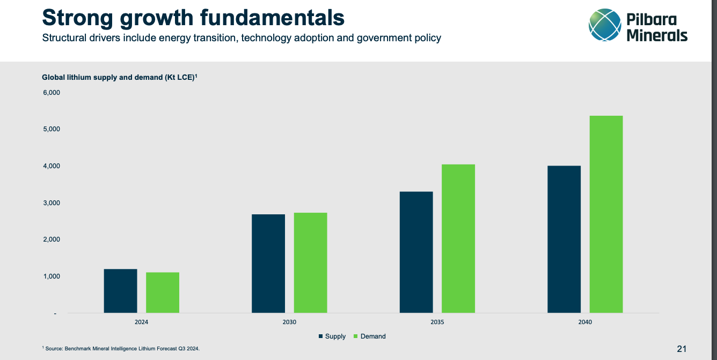

Stating it's a long-term play however life of lithium mine is ~33years only…

